Pro Forma
PRO FORMA REAL ESTATE COLLABORATIVE TEMPLATE |  |  |  |  | Customize / enter values in purple cells

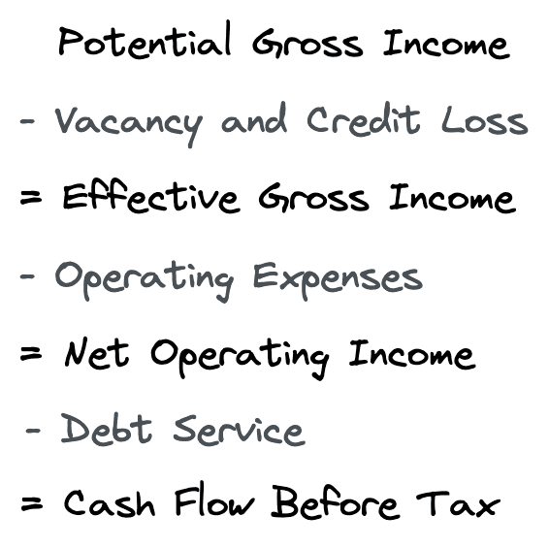
 | COMMERCIAL RENTS (Annualized)
 | Co-Owner Mortgage Contribution | Square Footage | $/SF/Year |  |  |  | Debt Service / Bank Mortgage
 | Owner 1 | 0 | $- | $- |  |  | Principal ($) |  | $-
 | Owner 2 | 0 | $- | $- |  |  | Interest Apr (%) |  | 0.00%
 | Owner 3 | 0 | $- | $- |  |  | Amortization In Years |  | $-
 | Owner 4 | 0 | $- | $- |  |  | Loan Amount ($) |  | $-
 | Owner 5 | 0 | $- | $- |  |  | Monthly Payment ($) |  | $-
 |  |  |  |  |  |  | Annual Debt Service ($) |  | $-
 | Total Owner Payments | 0 |  | $-

 | Leasing | Leaseable SF | $/SF/Year | Annual Rent |  |  | Vacancy and Collection Loss
 | Tenant 1 | 0 | $- | $- |  |  | Vacancy Rate (%)
 | Tenant 2 | 0 | $- | $- |  |  | Missed Payments (%)
 | Tenant 3 | 0 | $- | $-
 | Total Lessee Payments | 0 |  | 0
 |  |  |  |  |  |  | Total Potential Loss |  | $-
 | Additional Tenant Fees | Leaseable SF | $/SF/Year | Ten. Cont.
 | Tenant Contributions | 0 | $- | $-
 | Tenant Contributions | 0 | $- | $-
 | Tenant Contributions | 0 | $- | $-
 | Total Tenant Contributions | 0 |  | 0

 | TOTAL INCOME
 | Owner Income | $-
 | Renter Income | $-
 | Tenant Contributions | $-
 | Other Income | $-
 | Potential Gross Income | $-

 | Potential Vacancy and Collection Loss | $-

 | EFFECTIVE GROSS INCOME | $-

 | OPERATING EXPENSES | Year 1 Annual | Jan | Feb | Mar | Apr | May | Jun | Jul | Aug | Sep | Oct | Nov | Dec | Year 2 Annual | Year 3 Annual
 | Real Estate Property Taxes | $- | $- | $- | $- | $- | $- | $- | $- | $- | $- | $- | $- | $- | $- | $-
 | Insurance | $- | $- | $- | $- | $- | $- | $- | $- | $- | $- | $- | $- | $- | $- | $-
 | Bookkeeping | $- | $- | $- | $- | $- | $- | $- | $- | $- | $- | $- | $- | $-
 | Communications (Advertising/Market) | $- | $- | $- | $- | $- | $- | $- | $- | $- | $- | $- | $- | $- | $- | $-
 | Legal | $- | $- | $- | $- | $- | $- | $- | $- | $- | $- | $- | $- | $-
 | Maintenance | $- | $- | $- | $- | $- | $- | $- | $- | $- | $- | $- | $- | $- | $- | $-
 | Pest Control | $- | $- | $- | $- | $- | $- | $- | $- | $- | $- | $- | $- | $- | $- | $-
 | Property Management Fee | $- | $- | $- | $- | $- | $- | $- | $- | $- | $- | $- | $- | $- | $- | $-
 | Repairs | $- | $- | $- | $- | $- | $- | $- | $- | $- | $- | $- | $- | $- | $- | $-
 | Trash | $- | $- | $- | $- | $- | $- | $- | $- | $- | $- | $- | $- | $- | $- | $-
 | Utilities | $- | $- | $- | $- | $- | $- | $- | $- | $- | $- | $- | $- | $- | $- | $-
 | Other: | $- | $- | $- | $- | $- | $- | $- | $- | $- | $- | $- | $- | $- | $- | $-
 | Other: | $- | $- | $- | $- | $- | $- | $- | $- | $- | $- | $- | $- | $- | $- | $-
 | Other: | $- | $- | $- | $- | $- | $- | $- | $- | $- | $- | $- | $- | $- | $- | $-
 | Total Operating Expenses | $- | $- | $- | $- | $- | $- | $- | $- | $- | $- | $- | $- | $- | $- | $-
 | Contribution to Reserves | $- | $- | $- | $- | $- | $- | $- | $- | $- | $- | $- | $- | $- | $- | $-
 | Other | $- | $- | $- | $- | $- | $- | $- | $- | $- | $- | $- | $- | $- | $- | $-
 | Total Operating Exp. and Reserves | $- | $- | $- | $- | $- | $- | $- | $- | $- | $- | $- | $- | $- | $- | $-

 | NET OPERATING INCOME |  | $- | $- | $- | $- | $- | $- | $- | $- | $- | $- | $- | $-

 | Debt Service | Year 1 Annual | Jan | Feb | Mar | Apr | May | Jun | Jul | Aug | Sep | Oct | Nov | Dec
 | Mortgage Loan 1 | $- | $- | $- | $- | $- | $- | $- | $- | $- | $- | $- | $- | $-
 | Other Loans or Debt | $- | $- | $- | $- | $- | $- | $- | $- | $- | $- | $- | $- | $-
 | Other Loans or Debt | $- | $- | $- | $- | $- | $- | $- | $- | $- | $- | $- | $- | $-
 | Other Loans or Debt | $- | $- | $- | $- | $- | $- | $- | $- | $- | $- | $- | $- | $-
 | Total Debt Service | $- | $- | $- | $- | $- | $- | $- | $- | $- | $- | $- | $- | $-

 | Cash Flow Available (PRE-TAX) | $- | $- | $- | $- | $- | $- | $- | $- | $- | $- | $- | $- | $-

 | **Disclaimer: Use of Financial Template** The financial template provided is for general informational purposes and not intended as professional financial advice. It serves as a tool to assist users in organizing financial data, but does not offer guarantees on accuracy or completeness. Users should consult with a qualified financial professional for advice before making any decisions based on the template. While efforts have been made to ensure accuracy, there is no warranty, and use of the template is at the user's own risk. The creators are not liable for any damages arising from its use, and reserve the right to modify or discontinue the template without notice. By using the template, users agree to the terms outlined in this disclaimer.

